3 and 4
 |  | Natural |  |  |  |  |  |  |  |  |  | Lab made

Colour | D | E | F | G | H | I | J | K | Colour | D | E | F | G | H | I | J | K
Price /ct | 4325.54 | 3657.83 | 3553.99 | 3373.89 | 2787.29 | 2757.29 | 2282.50 | 1954.56 | Price /ct | 1556.84 | 1469.29 | 1294.14 | 1174.00 | 1043.40 | 952.93 | 795.52 | 720.00
Clarity | IF | SI1 | SI2 | VS1 | VS2 | VVS1 | VVS2 |  | Clarity | IF | SI1 | SI2 | VS1 | VS2 | VVS1 | VVS2
Price /ct | 4195.98 | 2074.47 | 2178.23 | 3151.01 | 3003.47 | 3253.30 | 3749.82 |  | Price /ct | 2145.56 | 1018.62 | 907.46 | 1212.84 | 1102.15 | 1513.47 | 1354.73

Colour Vs Price /ct
Colour Vs Price/ ct

Clarity Vs Price/ ct

Clarity Vs Price/ct

5
Colour (X) | Price / ct (Y) | Xi - Xbar | Yi - Ybar | (Xi - Xbar)(Yi - Ybar) | (Xi-Xbar)^2 | (Yi - Y bar)^2 | Colour (X) | Price / ct (Y) | Xi - Xbar | Yi - Ybar | (Xi - Xbar)(Yi - Ybar) | (Xi-Xbar)^2 | (Yi - Y bar)^2
1 | 4325.54 | -3.5 | 1238.93 | -4336.2391758 | 12.25 | 1534936.34 | 1 | 1556.84 | -3.5 | 431.08 | -1508.77 | 12.25 | 185826.85
2 | 3657.83 | -2.5 | 571.21 | -1428.0369949 | 6.25 | 326286.35 | 2 | 1469.29 | -2.5 | 343.52 | -858.80 | 6.25 | 118007.34
3 | 3553.99 | -1.5 | 467.38 | -701.07209447 | 2.25 | 218445.37 | 3 | 1294.14 | -1.5 | 168.37 | -252.56 | 2.25 | 28349.93
4 | 3373.89 | -0.5 | 287.28 | -143.64133029 | 0.25 | 82531.33 | 4 | 1174.00 | -0.5 | 48.24 | -24.12 | 0.25 | 2326.94
5 | 2787.29 | 0.5 | -299.32 | -149.66027189 | 0.25 | 89592.79 | 5 | 1043.40 | 0.5 | -82.37 | -41.18 | 0.25 | 6784.65
6 | 2757.29 | 1.5 | -329.32 | -493.98560676 | 2.25 | 108454.12 | 6 | 952.93 | 1.5 | -172.83 | -259.25 | 2.25 | 29870.66
7 | 2282.50 | 2.5 | -804.11 | -2010.2717938 | 6.25 | 646590.83 | 7 | 795.52 | 2.5 | -330.24 | -825.61 | 6.25 | 109061.51
8 | 1954.56 | 3.5 | -1132.05 | -3962.1796708 | 12.25 | 1281540.22 | 8 | 720.00 | 3.5 | -405.77 | -1420.18 | 12.25 | 164646.15
4.50 | 3086.61 |  |  |  |  |  | 4.50 | 1125.77 | 0.0 | 0.00 | -5190.48 | 0.00 | 0.00

 |  |  |  |  |  |  | Mean | 4.5 | 1125.77
 |  |  |  |  |  |  | Std Dev | 2.45 | 303.5

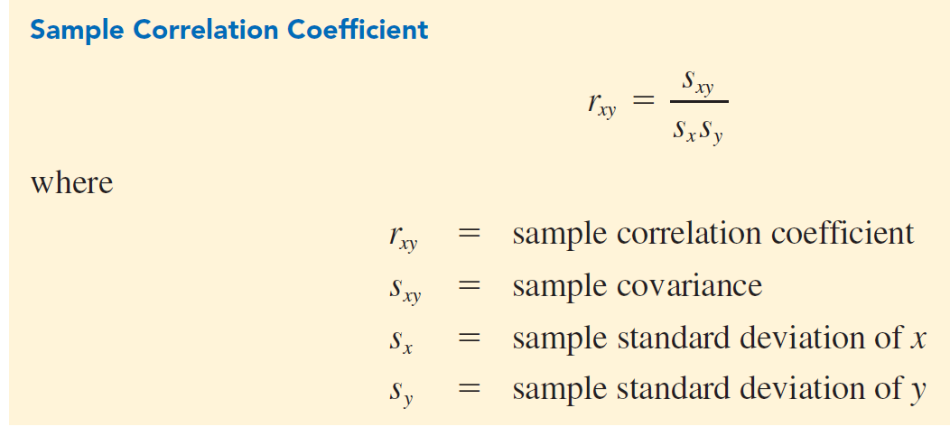
 |  |  |  |  |  |  | sxy = | -741.49678316 | Sample Covariance
 |  |  |  |  |  |  | sx = | 2 | Sample Standard deviation of x
 |  |  |  |  |  |  | sy = | 303.52077796 | Sample Standard deviation of y

 |  |  |  |  |  |  | rxy = | -0.99734455132 | Sample correlation coefficient

 |  |  |  |  |  |  | CORREL: | -0.99734455132

30 DATA
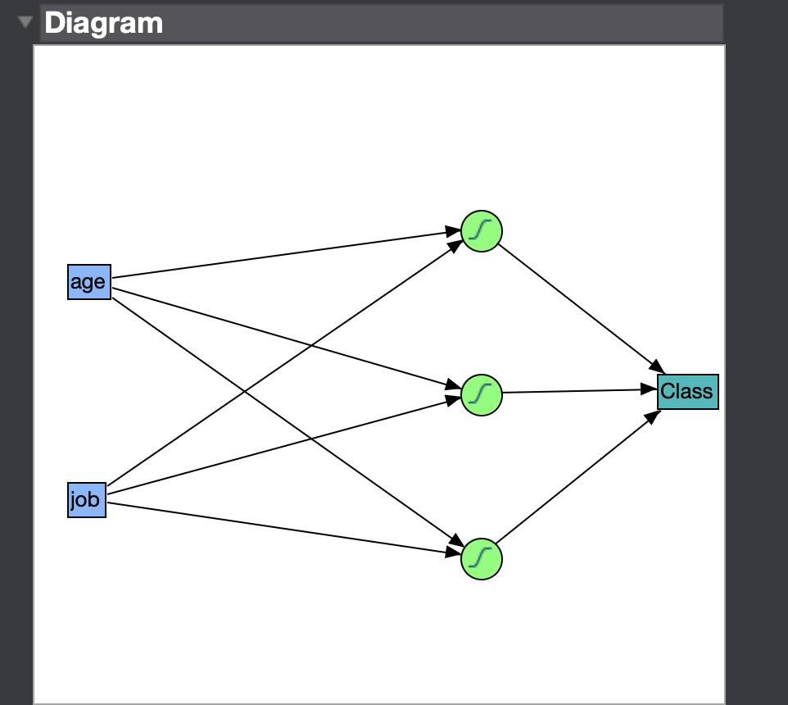
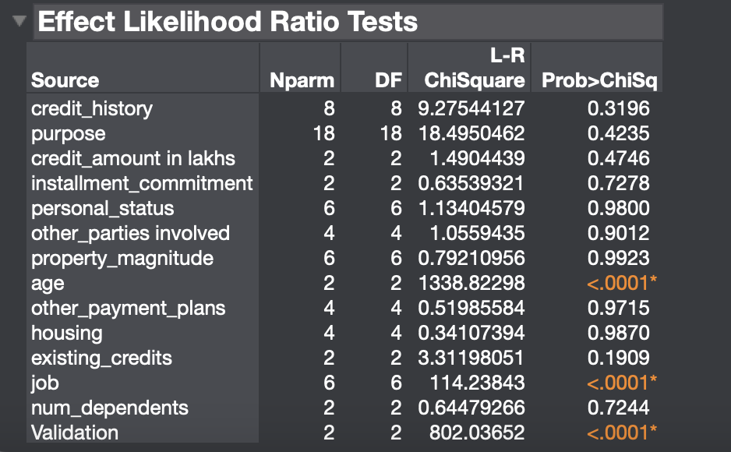
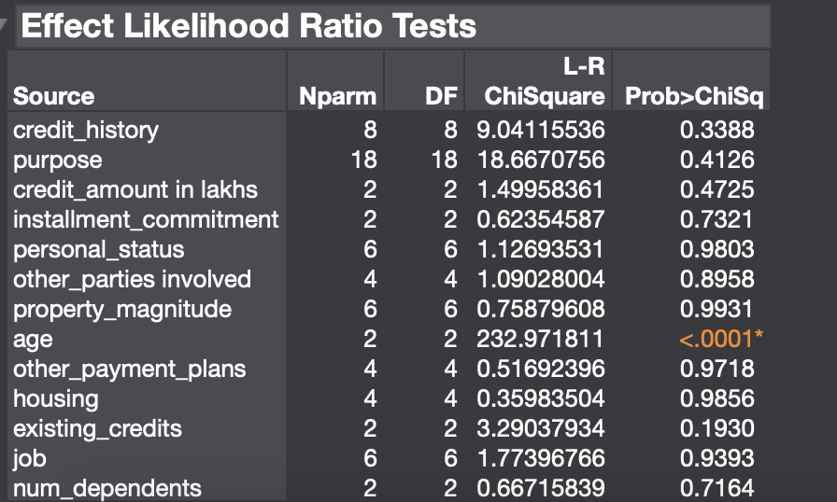
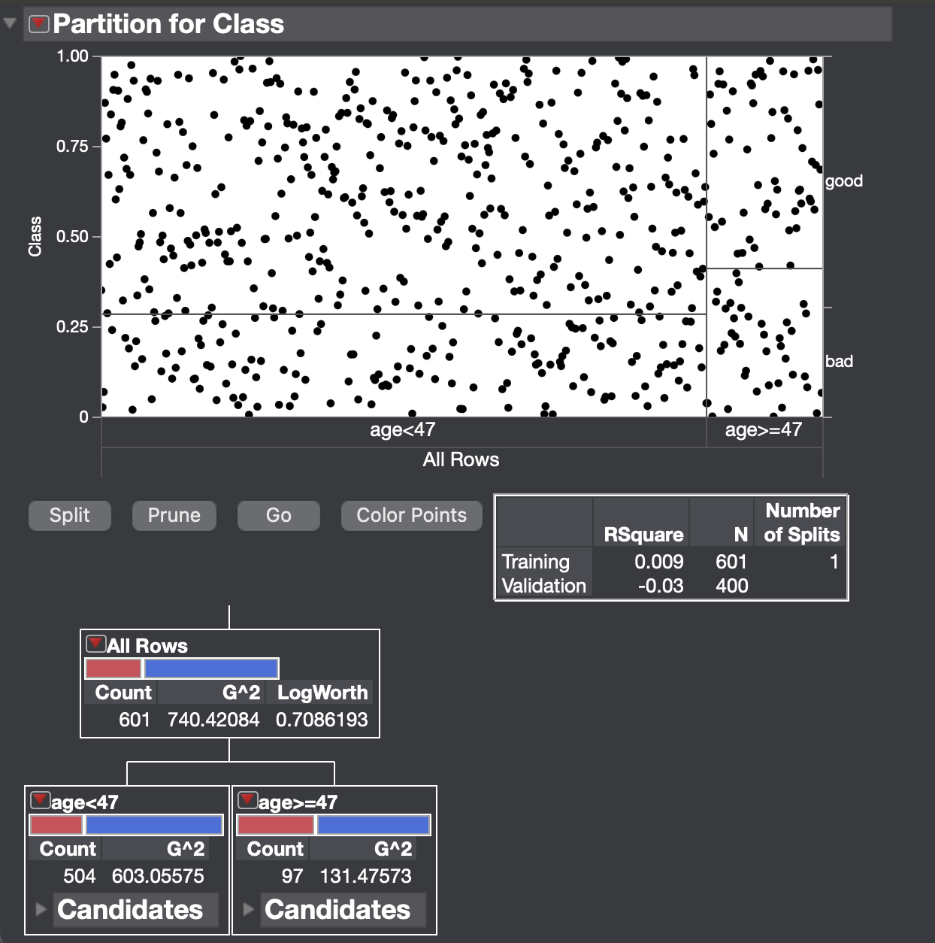
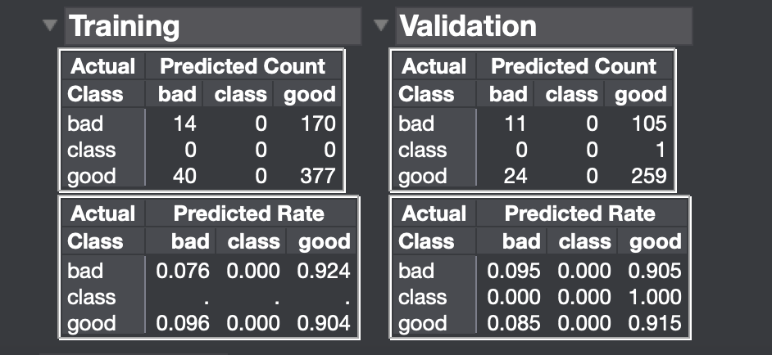
Price | Carat | Shape | Color | Cut | Clarity | Price/Ct

